Sheet1
Alphabets | A | B | C | D | E | A | B | C | D | E | TRUE | TRUE | TRUE | TRUE | TRUE
D | A | B | C | D | E | A | B | C | D | E | TRUE | TRUE | TRUE | TRUE | TRUE
A | A | B | C | D | E | A | B | C | D | E | TRUE | TRUE | TRUE | TRUE | TRUE
B | A | B | C | D | E | A | B | C | D | E | TRUE | TRUE | TRUE | TRUE | TRUE
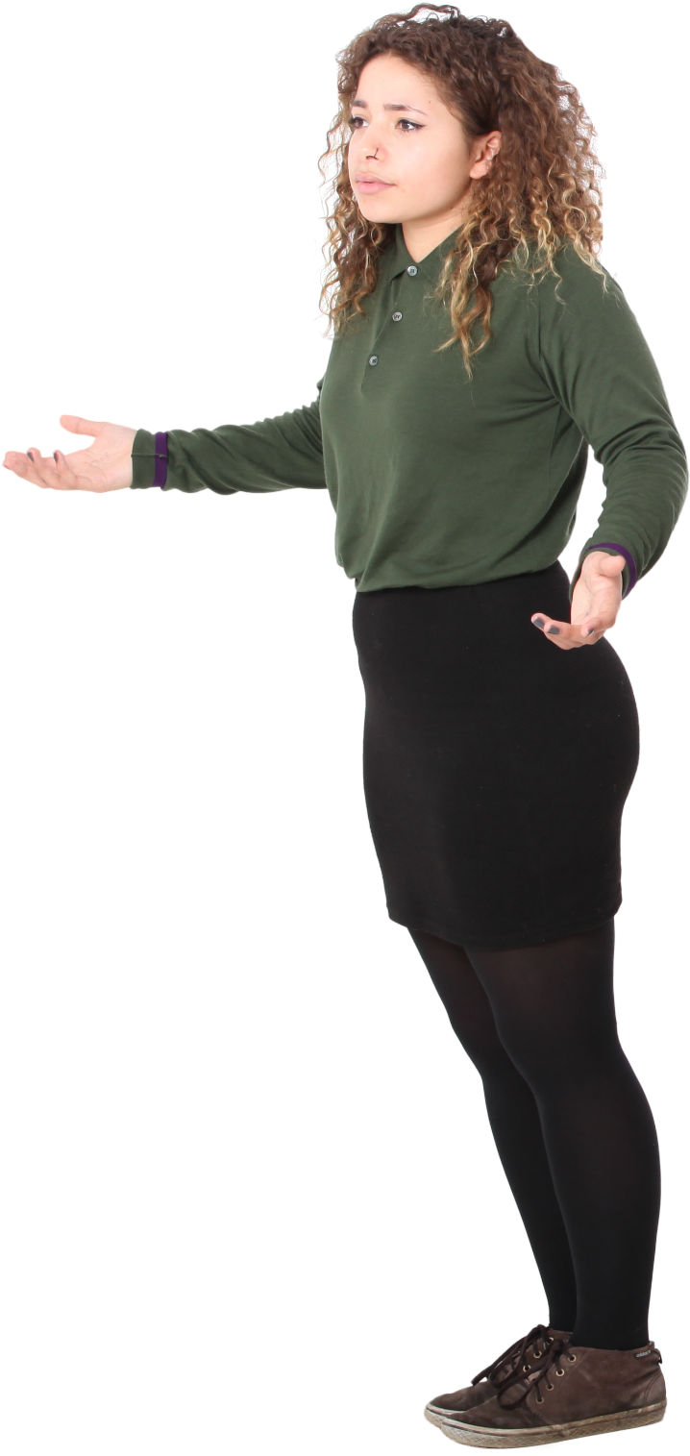
A | A | B |  |  | E | A | B |  |  | E | TRUE | TRUE | TRUE | TRUE | TRUE
A | A |  |  |  |  | A |  |  |  |  | TRUE | TRUE | TRUE | TRUE | TRUE
A | A |  |  |  |  | A |  |  |  |  | TRUE | TRUE | TRUE | TRUE | TRUE
Result
B | A |  |  |  |  | A |  |  |  |  | TRUE | TRUE | TRUE | TRUE | TRUE
B | A |  |  |  |  | A |  |  |  |  | TRUE | TRUE | TRUE | TRUE | TRUE
C
B
Problem
C
C
D
D
E
A
Generate the result table from Alphabets table. There is a header row as well as shown in orange color in the output table. Hence, all values + Header row.
E
A
E
E
A
A

